Sheet1
 | Description |  | Notes
CausalPy |  |  | When to standardize data?
ANCOVA | Only 1 pre, 1 post period design | Treatment effect
Synthetic Control (need multiple time series) | Weighted combination of groups as controls. Multiple Time Series, 1 is affected, what would happen if event did not occur. Use other ts as control. | Treatment effect
Different in Differences (only 2 time series) | Treated vs Not | Treatment effect | If you had 3 chains, and 1 was impacted, you could use synthetic control and make a wtd digital twin, or DnD by treating 2 unaffected as an unaffected group.
Reg Disc in Time, aka Interupted Time Series (only 1 time series) |  | Treatment effect | ` | https://www.annualreviews.org/doi/pdf/10.1146/annurev-resource-121517-033306
Regression Discontinuity (Only 1 time series) |  | Treatment effect |  |  | In this review, we have articulated reasons why using time as the running variable in a regression discontinuity design, an increasingly popular empirical strategy, is worth closer examination and a deeper understanding. RDiT requires assumptions for identification that are often strong and inherently untestable. When N = 1, RDiT approaches should be considered as being more like event studies or prepost analyses than like randomized controlled trials. Publications should state clearly the extent to which identification relies upon observations far away from the threshold and should explore whatever options are available to mitigate concerns about autoregression and dynamic behavior. Although RD designs have been a tremendously valuable addition to the suite of identification strategies, we must also recognize that the RDiT framework strays in important ways from the experimental ideal.
RDD: Regression Kink Design |  | Treatment effect |  | Like an RDD,an RKD arises when a policy variable of interest is determined (at least in part) by a known assignmentrule. While RDD posits a discontinuity in the assignment rule,in a regression kink design the policy rule is assumed to have a kink in the relationship between the policy variable and the underlying assignmentvariable. Such kinks arise, for example, when a benefit formula is subject to minimum or maximum values, or when marginal tax rates exhibit discrete jumps. The idea of the regression kink design is to examine the slope of the relationship between the outcome of interest and the assignment variable at the exact location of the kink in the policy formula. Provided that individuals on either side of the kink threshold are “similar”, any kink in the outcome can be attributed to the treatment effect of the policy variable. As in an RDD, implementing an RKD involves the estimation of quantities “close” to a threshold using (local) polynomial regressions. Instead of estimating a shift in the intercept, however, we are interested in estimating a slope change.
Instrumental Variable Modeling |  | Treatment effect

DoWhy
1. Causal Graph
2. Identify target estimand
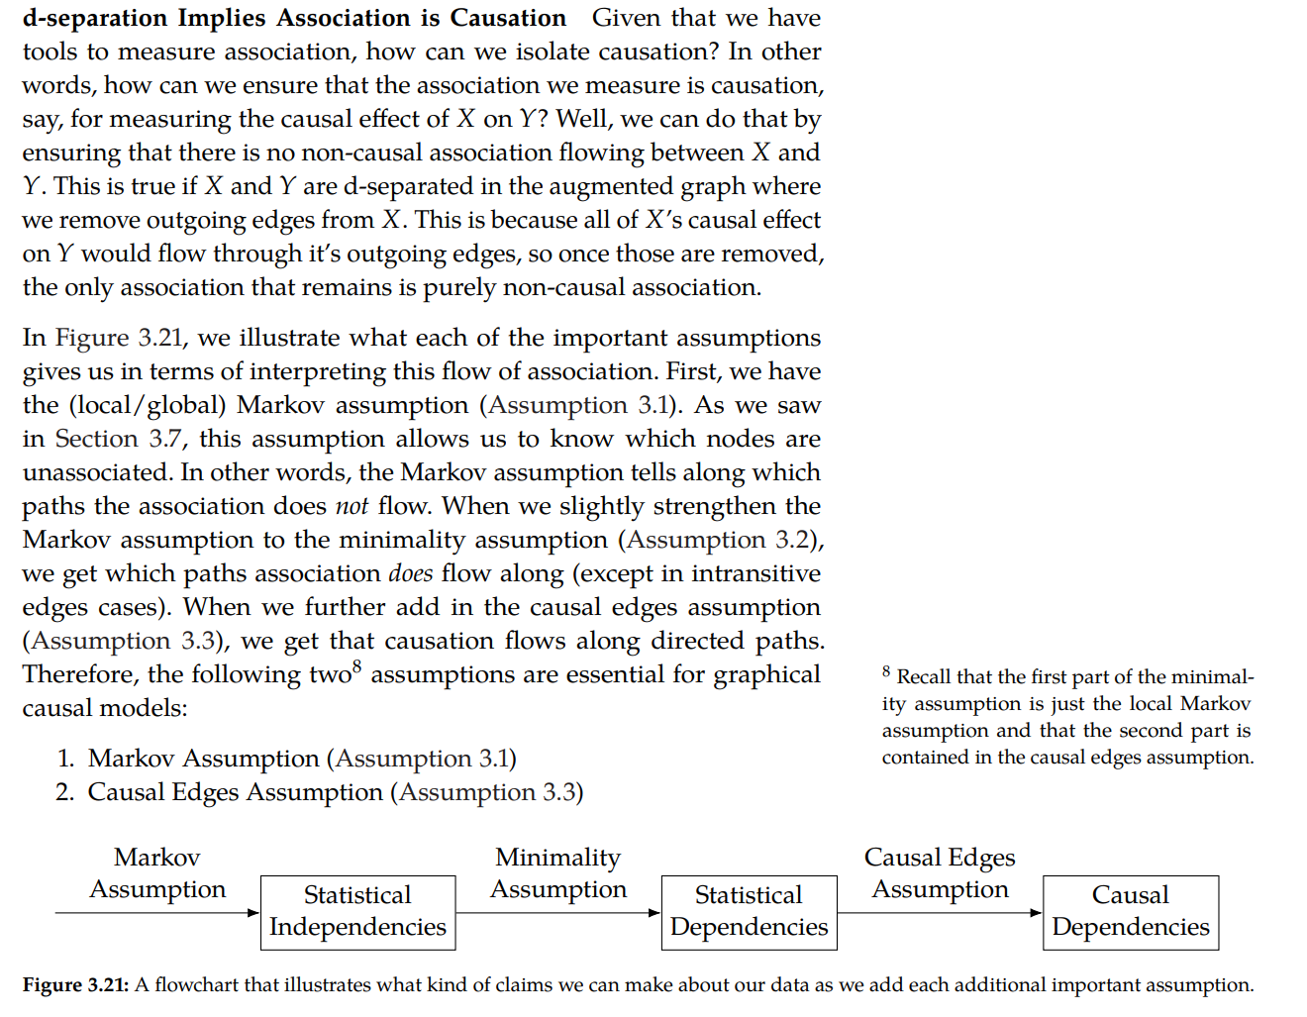
3. Use method to estimate effect
4. Refute etimate |  | B satifies Frontdoor critreion if
 | mediator? | B is a mediator if all causal paths from A to C go thru B
Back-door criterion | Collider? | There is no backdoor path from A to
Front-door criterion |  | All backdoor paths from B to C are blocked by A
Instrumental Variables
Mediation (Direct and indirect effect identification)

 |  | Methods based on estimating the treatment assignment
CausalModel(data, treatment, outcome, graph, instruments*optional) |  | Propensity-based Stratification
model.identify_effect |  | Propensity Score Matching
model.estimate_effect |  | Inverse Propensity Weighting
method_name = backdoor.linear_regression
method_name = backdoor.distance_matching |  | Methods based on estimating the outcome model
method_name = backdoor.propensity_score_stratification |  | Linear Regression
method_name = backdoor.propensity_score_matching |  | Generalized Linear Models
method_name = backdoor.propensity_score_weighting (3 versions: ips_weight, ips_noramlized_weight, ips_stabilized_weight)
method_name = iv.regression_discontinuity |  | Methods based on the instrumental variable equation
 |  | Binary Instrument/Wald Estimator
 |  | Two-stage least squares
 |  | Regression discontinuity

 |  | Methods for front-door criterion and general mediation
 |  | Two-stage linear regression
GCM = Graphical causal model *New & Experimental
gcm.StructuralCausalModel **Most recommended | Instrumental Variable Modeling
gcm.InvertibleStructural
gcm.Probability

Quantifying Arrow Strength | Z->X, Z->Y, X->Y. Quantify Z impact on Y | By default, arrow_strength employs KL divergence for measuring the arrow strength for categorical target, and difference in variance for continuous real-valued target
Quantifying Intrinsic Causal Influence | Z->X, X->Y. Quantify Z impact on Y
Simulating the Impact of Interventions
Computing Counterfactuals
Estimating Average Causal Effects
Attributing Distributional Changes

Supported refutation methods

Add Random Common Cause: Does the estimation method change its estimate after we add an independent random variable as a common cause to the dataset? (Hint: It should not)
Placebo Treatment: What happens to the estimated causal effect when we replace the true treatment variable with an independent random variable? (Hint: the effect should go to zero)
Dummy Outcome: What happens to the estimated causal effect when we replace the true outcome variable with an independent random variable? (Hint: The effect should go to zero)
Simulated Outcome: What happens to the estimated causal effect when we replace the dataset with a simulated dataset based on a known data-generating process closest to the given dataset? (Hint: It should match the effect parameter from the data-generating process)
Add Unobserved Common Causes: How sensitive is the effect estimate when we add an additional common cause (confounder) to the dataset that is correlated with the treatment and the outcome? (Hint: It should not be too sensitive)
Data Subsets Validation: Does the estimated effect change significantly when we replace the given dataset with a randomly selected subset? (Hint: It should not)
Bootstrap Validation: Does the estimated effect change significantly when we replace the given dataset with bootstrapped samples from the same dataset? (Hint: It should not)

